ERD
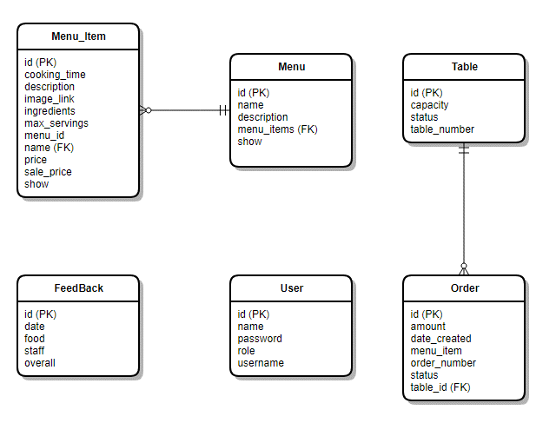
 | [ros-2018] Restaurant Ordering System | System Name | Screen/Module Name
 |  | Golden Bowl | Datastore | Version | 2.000
 |  |  |  | Create Date | 2018-07-21 | Created By | Oplas, Andrew
 |  |  |  | Update Date | 2018-10-17 | Updated by | Oplas, Andrew

Database ERD

